Map
District Statistical Handbook

SOUTH 24 - PARGANAS

2014

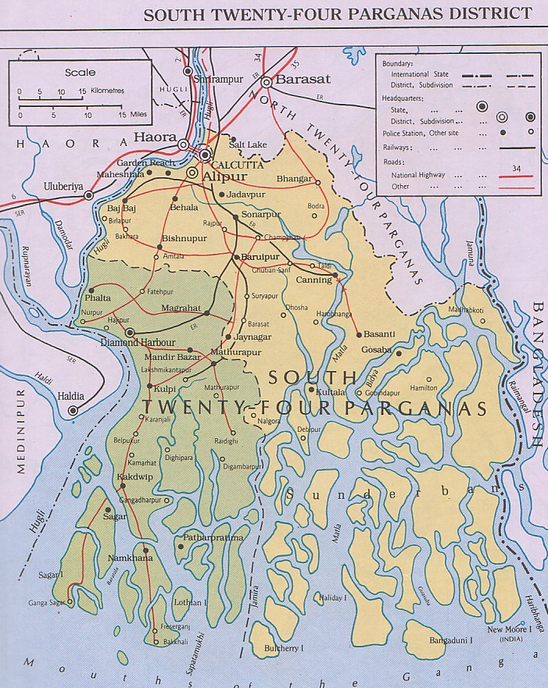

Bureau of Applied Economics & Statistics
Department of Statistics & Programme Implementation
Government of West Bengal

Block_Level
BLOCK LEVEL
STATISTICS
2013-14

